Sheet1
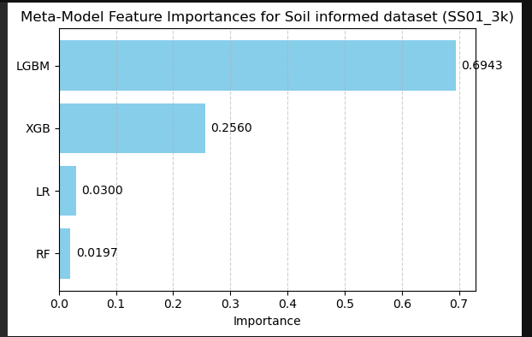
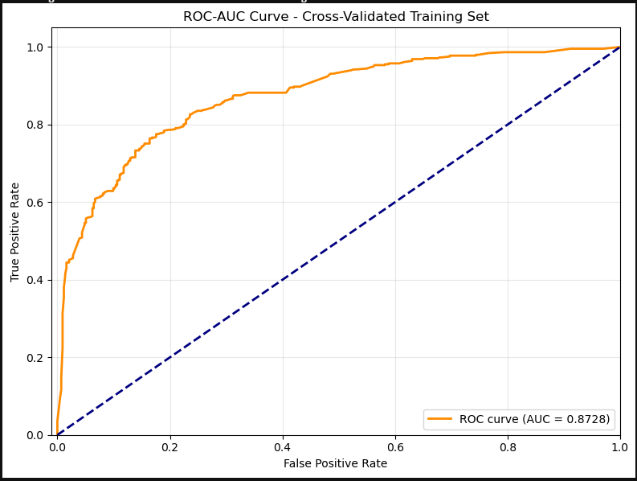
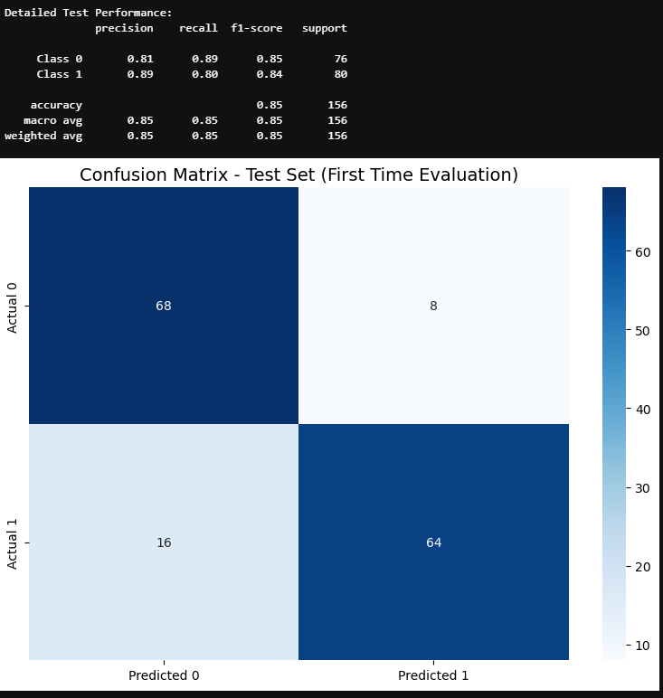
Model traning and validation scores for 3km buffer dataset of SS01_3k
3km_buffer | META_3k |  | LGBM_3k |  | XGB_3k |  | LR_3k |  | RF_3k
 | mean | std | mean | std | mean | std | mean | std | mean | std | ACCURACY: 0.7961 ± 0.0221
Valid_accuracy | 0.80 | 0.02 | 0.81 | 0.04 | 0.80 | 0.05 | 0.74 | 0.06 | 0.78 | 0.05 | F1: 0.7852 ± 0.0396
train_accuracy | 0.80 | 0.00 | 0.89 | 0.01 | 0.85 | 0.01 | 0.74 | 0.02 | 0.83 | 0.01 | ROC_AUC: 0.8768 ± 0.0242
Valid_precision | 0.84 | 0.03 | 0.84 | 0.03 | 0.83 | 0.04 | 0.78 | 0.07 | 0.82 | 0.05 | PRECISION: 0.8432 ± 0.0350
train_precision | 0.84 | 0.01 | 0.92 | 0.01 | 0.90 | 0.02 | 0.78 | 0.02 | 0.87 | 0.01 | RECALL: 0.7444 ± 0.0951
Valid_recall | 0.77 | 0.02 | 0.77 | 0.06 | 0.75 | 0.07 | 0.68 | 0.07 | 0.73 | 0.07
train_recall | 0.74 | 0.01 | 0.87 | 0.02 | 0.81 | 0.02 | 0.68 | 0.03 | 0.77 | 0.02
Valid_f1 | 0.80 | 0.02 | 0.80 | 0.04 | 0.79 | 0.06 | 0.73 | 0.07 | 0.77 | 0.06
train_f1 | 0.80 | 0.00 | 0.89 | 0.01 | 0.85 | 0.01 | 0.73 | 0.02 | 0.82 | 0.01
Model: training and validation scores (3km buffer SS01_3k dataset)
 | META_3k | LGBM_3k | XGB_3k | LR_3k | RF_3k | TS05_1K
Valid_accuracy | 0.80 | 0.81 | 0.80 | 0.74 | 0.78 | 0.686154
train_accuracy | 0.80 | 0.89 | 0.85 | 0.74 | 0.83 | 0.707692
Valid_precision | 0.84 | 0.84 | 0.83 | 0.78 | 0.82 | 0.703104
train_precision | 0.84 | 0.92 | 0.90 | 0.78 | 0.87 | 0.728152
Valid_recall | 0.77 | 0.77 | 0.75 | 0.68 | 0.73 | 0.666667
train_recall | 0.74 | 0.87 | 0.81 | 0.68 | 0.77 | 0.678788
Valid_f1 | 0.80 | 0.80 | 0.79 | 0.73 | 0.77 | 0.6826
train_f1 | 0.80 | 0.89 | 0.85 | 0.73 | 0.82 | 0.701992

Model testing scores for 3km buffer dataset of SS01_3k
3km_buffer | META_3k | LGBM_3k | XGB_3k | RF_3k | LR_3k
Test_accuracy | 0.85 | 0.85 | 0.83 | 0.80 | 0.75
Test_precision | 0.85 | 0.85 | 0.84 | 0.80 | 0.75
Test_recall | 0.85 | 0.85 | 0.83 | 0.80 | 0.75
Test_f1 | 0.85 | 0.85 | 0.83 | 0.80 | 0.75

Model testing performace on 3km buffer SS01 dataset

